Instructions
You have been given last years sales (6 months) data for the company Eau Bottled Water.
Your task is carry out your own set of analyses using the skills you have learned and produce some useful visualisations and summaries of your findings.
You can present everything on this spread sheet:
1) Your analyses (formulas, functions, pivots, charts, etc.)
Note: You may want to create a separate pivot table for each region because the table is multi-dimensional
2) Wirrten insights summariding your findings
3) Conclusions/recommendations for action

North
Row Labels | Sum of Jan | Sum of Feb | Sum of Mar | Sum of Apr | Sum of May | Sum of Jun
Enriched Water | 265 | 246 | 580 | 593 | 654 | 602
Flavoured Water | 289 | 364 | 457 | 410 | 437 | 429
Mineral Water | 120 | 450 | 675 | 650 | 713 | 692
Sping Water | 897 | 934 | 989 | 1002 | 997 | 1015
Grand Total | 1571 | 1994 | 2701 | 2655 | 2801 | 2738

Spring Water dominates sales, showing consistent growth, peaking in June. May being the most dominate month.
Mineral Water sees significant sales increase starting February, indicating growing consumer interest.
Enriched and Flavoured Water lacks a steady upward trend of Spring and Mineral Water.
The overall trend indicates an expanding market for water products, with a slight dip in April.
Consumer preferences lean towards Spring and Mineral Water, suggesting targeted marketing in these areas could be beneficial.

West
Row Labels | Sum of Jan | Sum of Mar | Sum of Feb | Sum of Apr | Sum of May | Sum of Jun
Enriched Water | 290 | 493 | 387 | 489 | 501 | 534
Flavoured Water | 320 | 438 | 342 | 470 | 465 | 501
Mineral Water | 140 | 490 | 340 | 537 | 520 | 610
Sping Water | 634 | 845 | 763 | 913 | 902 | 945
Grand Total | 1384 | 2266 | 1832 | 2409 | 2388 | 2590

Enriched Water shows a steady increase in sales from 290 units in January to 534 units in June.
Flavoured Water begins with 320 units in January, experiences a dip and then gradually increases to 501 units by June.
Mineral Water starts at 140 units in January, sees a significant rise in March, and continues growing to reach 610 units in June, indicating a strong upward trend.
Spring Water has the highest sales across all months, starting at 634 units in January and reaching 945 units in June, showing consistent growth.
The Grand Total sales for all types of water combined exhibit a growth pattern from 1384 units in January to 2590 units in June, with peaks and valleys indicating fluctuating sales but an overall positive trend in water sales across the months.

East
Row Labels | Sum of Jan | Sum of Feb | Sum of Mar | Sum of Apr | Sum of May | Sum of Jun
Enriched Water | 490 | 385 | 467 | 543 | 492 | 573
Flavoured Water | 673 | 742 | 892 | 845 | 893 | 910
Mineral Water | 246 | 450 | 675 | 705 | 807 | 853
Sping Water | 1254 | 1502 | 1342 | 1509 | 1678 | 1745
Grand Total | 2663 | 3079 | 3376 | 3602 | 3870 | 4081

Enriched Water sales start at 490 units in January and show a general upward trend, reaching 573 units by June.
Flavoured Water has a strong start at 673 units in January, increasing significantly to reach 910 units in June, indicating robust growth.
Mineral Water shows remarkable growth from 246 units in January to 853 units in June, more than tripling its initial sales.
Spring Water leads in sales across all categories, beginning at 1254 units in January and growing to 1745 units by June, maintaining its position as the most popular choice.
The Grand Total of sales for all water types combined reflects a consistent increase from 2663 units in January to 4081 units in June. This demonstrates a significant and steady demand growth for water products over the six months.

NWE
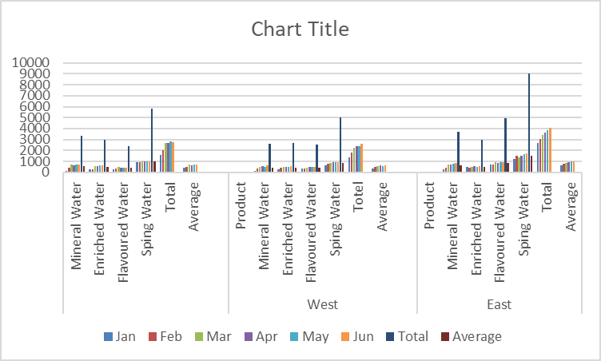

Across all regions, Spring Water is the best-selling product, showing the highest sales figures in each region, particularly in the East with significantly high average sales. Mineral Water, Enriched Water, and Flavoured Water also show consistent sales across regions, with notable performances in different areas. The East region has the highest overall sales and monthly averages, indicating a strong market demand for water products. The data highlights regional preferences and the overall popularity of water products, with a clear preference for Spring Water across the board.

